Table 1
Lunch Program and Organizations that Participate in the USDA’s Child and Adult Care Food Program’’ to ‘‘Team Nutrition Database’’ as it is commonly known. The collection of the school and CACFP organization contact information is currently approved under OMB Control #0584–0642, which expires on October 31, 2021. FNS wants to extend this data collection to continue the customer service provided to these entities. Once this information collection request has been reviewed and approved by the Office of Management and Budget (OMB), FNS will update the collection with the new expiration date. |  |  |  | Affected Public: Business or Other For Profit; Not For Profit; and State, Local and Tribal Government: Respondent groups identified include: (1) Organizations that have a CACFP agreement with the States and (2) Schools that participate in the NSLP. Estimated Number of Respondents: The total estimated number of respondents is approximately 122,130 (22,130 are CACFP organizations and 100,000 are schools). For CACFP organizations, the total is broken down as follows: 19,662 CACFP sponsors; centers only; 674 CACFP sponsors of all home care; and 1,794 CACFP sponsors of adult care. Estimated Number of Responses per Respondent: The total estimated number |  |  |  |  | of responses per respondent for the entire collection is 3. The CACFP’s organization and the schools will be asked to voluntarily complete one (1) enrollment form and submit changes as needed. Estimated Total Annual Responses: 366,390. Estimated Time per Response: The estimated time of response varies from 0.0835 to 0.25 hour (5–15 minutes), with an average estimated time of 0.097 (approximately 5.82 minutes) for all participants. Estimated Total Annual Burden on Respondents: 354,484 hours. See the table below for estimated total annual burden for each type of respondent.
Affected public | Respondent |  |  |  | Estimated number respondent | Responses annually per respondent | Total annual responses (col. bxc) |  |  | Estimated avg. number of hours per response | Estimated total hours (col. dxe)
 | Reporting Burden ............... |  |  |  | ........................ | ........................ | ........................ |  |  | ........................ | ........................
Businesses or Other for | CACFP Organizations |  |  |  | 19,662 | 1 | 19,662 |  |  | 0.25 | 4,915.5
Profit, Not-for-Profit. | (completed form)–CACFP
 | Sponsors: Centers Only.
 | CACFP Organizations |  |  |  | 674 | 1 | 674 |  |  | 0.25 | 168.5
 | (completed form)—
 | CACFP Sponsors of All
 | Home Care.
 | CACFP Organizations |  |  |  | 1,794 | 1 | 1,794 |  |  | 0.25 | 448.5
 | (completed form)—
 | CACFP Sponsors of
 | Adult Care.
 | CACFP Organizations (up- |  |  |  | 22,130 | 1 | 22,130 |  |  | 0.0835 | 1,847.9
 | dated form)—All.
 | CACFP Organizations (re- |  |  |  | 22,130 | 1 | 22,130 |  |  | 0.025 | 553.3
 | minder notification).
Subtotal of Businesses or | ............................................. |  |  |  | 22,130 | ........................ | 66,390 |  |  | ........................ | 7,933.6
Other for Profit, Not-for
Profit.
 | Schools (completed form) .. |  |  |  | 100,000 | 1 | 100,000 |  |  | 0.167 | 16,700
 | Schools (updated form) ...... |  |  |  | 100,000 | 1 | 100,000 |  |  | 0.0835 | 8,350
 | Schools (reminder notifica- |  |  |  | 100,000 | 1 | 100,000 |  |  | 0.025 | 2,500
 | tion).
Subtotal for State, Local, or Tribal Government. | ............................................. |  |  |  | 100,000 | ........................ | 300,000 |  |  | ........................ | 27,550
 | Total Reporting Burden ...... |  |  |  | 122,130 | ........................ | 366,390 |  |  | ........................ | 35,484
Cynthia Long, Acting Administrator, Food and Nutrition Service. [FR Doc. 2021–04443 Filed 3–3–21; 8:45 am] BILLING CODE 3410–30–P |  |  | SUMMARY: This notice announces the Department’s annual adjustments to the Income Eligibility Guidelines to be used in determining eligibility for free and reduced price meals and free milk for |  |  |  |  |  | benefits to those children most in need and are revised annually to account for changes in the Consumer Price Index. DATES: Implementation date July 1, 2021.
the period from July 1, 2021 through June 30, 2022. These guidelines are used |  |  |  |  |  |  |  |  | FOR FURTHER INFORMATION CONTACT: J.
DEPARTMENT OF AGRICULTURE Food and Nutrition Service Child Nutrition Programs: Income Eligibility Guidelines AGENCY: Food and Nutrition Service, USDA. ACTION: Notice. |  |  | by schools, institutions, and facilities participating in the National School Lunch Program (and Commodity School Program), School Breakfast Program, Special Milk Program for Children, Child and Adult Care Food Program and Summer Food Service Program. The annual adjustments are required by section 9 of the Richard B. Russell National School Lunch Act. The |  |  |  |  |  | Kevin Maskornick, Program Monitoring and Operational Support Division, Child Nutrition Programs, Food and Nutrition Service, United States Department of Agriculture, 1320 Braddock Place, Suite 401, Alexandria, Virginia 22314, or call 703–305–2537. SUPPLEMENTARY INFORMATION: This action is not a rule as defined by the
guidelines are intended to direct Regulatory Flexibility Act (5 U.S.C.
601–612) and thus is exempt from the provisions of that Act. In accordance with the Paperwork Reduction Act of 1995 (44 U.S.C. 3507), no recordkeeping or reporting requirements have been included that are subject to approval from the Office of Management and Budget. This notice has been determined to be not significant and was not reviewed by the Office of Management and Budget in conformance with Executive Order 12866. The affected programs are listed in the Assistance Listings (https:// beta.sam.gov/) under No. 10.553, No. 10.555, No. 10.556, No. 10.558, and No. 10.559 and are subject to the provisions of Executive Order 12372, which requires intergovernmental consultation with State and local officials. (See 2 CFR part 415). Background Pursuant to sections 9(b)(1) and 17(c)(4) of the Richard B. Russell National School Lunch Act (42 U.S.C. 1758(b)(1) and 42 U.S.C. 1766(c)(4)), and sections 3(a)(6) and 4(e)(1)(A) of the Child Nutrition Act of 1966 (42 U.S.C. 1772(a)(6) and 1773(e)(1)(A)), the Department annually issues the Income Eligibility Guidelines for free and reduced price meals for the National School Lunch Program (7 CFR part 210), the Commodity School Program (7 CFR part 210), School Breakfast Program (7 CFR part 220), Summer Food Service Program (7 CFR part 225) and Child and Adult Care Food Program (7 CFR part 226) and the guidelines for free milk in the Special Milk Program for Children (7 CFR part 215). These eligibility guidelines are based on the Federal income poverty guidelines and are stated by household size. The guidelines are used to determine eligibility for free and reduced price meals and free milk |  |  |  | in accordance with applicable program rules. Definition of Income In accordance with the Department’s policy as provided in the Food and Nutrition Service publication Eligibility Manual for School Meals, ‘‘income,’’ as the term is used in this notice, means income before any deductions such as income taxes, Social Security taxes, insurance premiums, charitable contributions, and bonds. It includes the following: (1) Monetary compensation for services, including wages, salary, commissions or fees; (2) net income from nonfarm self-employment; (3) net income from farm self-employment; (4) Social Security; (5) dividends or interest on savings or bonds or income from estates or trusts; (6) net rental income; (7) public assistance or welfare payments; (8) unemployment compensation; (9) government civilian employee or military retirement, or pensions or veterans payments; (10) private pensions or annuities; (11) alimony or child support payments; (12) regular contributions from persons not living in the household; (13) net royalties; and (14) other cash income. Other cash income would include cash amounts received or withdrawn from any source including savings, investments, trust accounts and other resources that would be available to pay the price of a child’s meal. ‘‘Income’’, as the term is used in this notice, does not include any income or benefits received under any Federal programs that are excluded from consideration as income by any statutory prohibition. Furthermore, the value of meals or milk to children shall not be considered as income to their households for other benefit programs in accordance with the prohibitions in section 12(e) of the Richard B. Russell National School Lunch Act and section |  |  |  |  | 11(b) of the Child Nutrition Act of 1966 (42 U.S.C. 1760(e) and 1780(b)). The Income Eligibility Guidelines The following are the Income Eligibility Guidelines to be effective from July 1, 2021 through June 30, 2022. The Department’s guidelines for free meals and milk and reduced price meals were obtained by multiplying the year 2021 Federal income poverty guidelines by 1.30 and 1.85, respectively, and by rounding the result upward to the next whole dollar. This notice displays only the annual Federal poverty guidelines issued by the Department of Health and Human Services because the monthly and weekly Federal poverty guidelines are not used to determine the Income Eligibility Guidelines. The chart details the free and reduced price eligibility criteria for monthly income, income received twice monthly (24 payments per year); income received every two weeks (26 payments per year) and weekly income. Income calculations are made based on the following formulas: Monthly income is calculated by dividing the annual income by 12; twice monthly income is computed by dividing annual income by 24; income received every two weeks is calculated by dividing annual income by 26; and weekly income is computed by dividing annual income by 52. All numbers are rounded upward to the next whole dollar. The numbers reflected in this notice for a family of four in the 48 contiguous States, the District of Columbia, Guam and the territories represent an increase of 1.1 percent over last year’s level for a family of the same size. Authority: Section 9(b)(1) of the Richard B. Russell National School Lunch Act (42 U.S.C. 1758(b)(1)(A)). BILLING CODE 3410–30–P

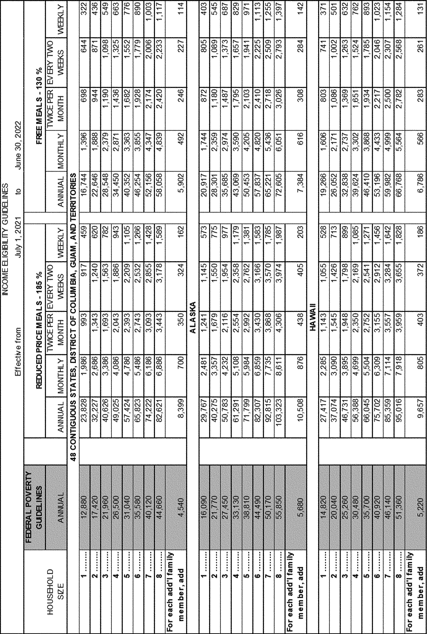

Cynthia Long, Acting Administrator, USDA Food and Nutrition Service. [FR Doc. 2021–04452 Filed 3–3–21; 8:45 am] BILLING CODE 3410–30–C |  | (1) On page 1919, in column 2, on lines 16 and 17, remove ‘‘Community Connect Grant; see 7 CFR part 1739;’’ (2) On page 1919, in column 2, under section II. ‘‘Award Information,’’ in the |  |  |  |  |  |  | agencies must generally provide opportunities for public comment and obtain OMB approval for each collection of information they conduct or sponsor (e.g., contractually-required information
table, remove ‘‘Community Connect 10;’’ and |  |  |  |  |  |  |  | collection by a third-party). ‘‘Collection of information’’ refers to agency
DEPARTMENT OF AGRICULTURE Rural Business-Cooperative Service Rural Housing Service Rural Utilities Service [Docket No. RBS–20–BUSINESS–0040] Notice of Solicitation of Applications (NOSA) for the Strategic Economic and |  |  |  | (3) On page 1919, in column 2, on lines 4 and 5 under the subheading ‘‘Award Dates’’ in section II. ‘‘Award Information,’’ remove ‘‘Community Connect Grant Program.’’ Christopher A. McLean, Acting Deputy Under Secretary, Rural Development. [FR Doc. 2021–04440 Filed 3–3–21; 8:45 am] BILLING CODE 3410–XY–P |  |  |  | informational requests that pose identical questions to, or impose reporting or record-keeping obligations on, ten or more non-federal entities or persons, regardless of whether response is mandatory or voluntary. See 5 CFR 1320.3(c); see also 44 U.S.C. 3502(3). In December 2020, the Access Board published a 60-day notice concerning the proposed renewal of its existing generic clearance for the collection of

Community Development Program for Fiscal Year (FY) 2021; Correction ARCHITECTURAL AND |  |  |  |  |  |  |  |  | qualitative feedback, which expires in May 2021 (OMB Control No. 3014– 0011). 82 FR 37421 (Aug. 10, 2017). We

AGENCY: Rural Business-Cooperative Service, Rural Housing Service, and Rural Utilities Service, USDA. ACTION: Notice; correction. SUMMARY: The Rural Business- Cooperative Service, Rural Housing Service, and Rural Utilities Service, agencies that comprise the Rural Development Mission Area within the United States Department of Agriculture, published a notice of |  |  | TRANSPORTATION BARRIERS COMPLIANCE BOARD [Docket No. ATBCB–2020–0005] Agency Information Collection Activities; Submission of Renewed Generic Clearance for OMB Review AGENCY: Architectural and Transportation Barriers Compliance Board. ACTION: 30-Day notice. |  |  |  |  | received no comments in response to this 60-day notice. B. Overview of Requested Generic Clearance Renewal By this notice, the Access Board announces that it has requested OMB renewal of our existing generic clearance so that we may continue ongoing efforts to solicit qualitative customer feedback on agency programs and services. OMB approval is
solicitation of applications in the |  |  |  |  |  |  |  |  | requested for three years. Provided
Federal Register on January 11, 2021, entitled ‘‘Notice of Solicitation of Applications (NOSA) for the Strategic Economic and Community Development Program for Fiscal Year (FY) 2021.’’ The NOSA provides requirements to applicants submitting applications for programs that have been prioritized by the Secretary of Agriculture for Strategic Economic and Community Development funding. Contrary to what was published in the NOSA, this Correction Notice (Correction) is being issued to clarify that Strategic Economic and Community Development priority funding will not be set aside for the Community Connect Grant Program in FY 2021. FOR FURTHER INFORMATION CONTACT: Greg Batson, Rural Development Innovation Center, U.S. Department of Agriculture, Stop 0793, 1400 Independence Avenue SW, Washington, DC 20250–0783, Telephone: (573) 239–2945. Email: gregory.batson@usda.gov. SUPPLEMENTARY INFORMATION: Correction In FR Doc 2021–00234 of January 11, 2021 (86 FR 1918), make the following corrections of references in the NOSA to ‘‘Community Connect,’’ ‘‘Community Connect Grant,’’ and ‘‘Community Connect Grant Program’’ are being removed by this Correction: |  |  |  | SUMMARY: In accordance with the Paperwork Reduction Act of 1995 (PRA), the Architectural and Transportation Barriers Compliance Board (Access Board) has submitted to the Office of Management and Budget (OMB) a request for renewal of its existing generic clearance to continue to collect qualitative feedback on agency services and programs. DATES: Submit comments by April 5, 2021. ADDRESSES: Written comments and recommendations for the proposed information collection should be sent within 30 days of publication of this notice to www.reginfo.gov/public/do/ PRAMain. Find this particular information collection by selecting ‘‘Currently under 30-day Review—Open for Public Comments’’ or by using the search function. FOR FURTHER INFORMATION CONTACT: Frances Spiegel, Attorney Advisor, Office of General Counsel, U.S. Access Board, 1331 F Street NW, Suite 1000, Washington, DC 20004–1111. Phone: 202–272–0041 (voice). Email: spiegel@ access-board.gov. SUPPLEMENTARY INFORMATION: A. Background Under the PRA and its implementing regulations (5 CFR part 1320), Federal |  |  |  |  | below is an overview of the existing generic clearance for which the Access Board seeks renewal: OMB Control Number: 3014–0011. Title: Generic Clearance for the Collection of Qualitative Feedback on Agency Service Delivery. Type of Request: Extension without change. Abstract: The proposed information collection activity facilitates collection of qualitative customer and stakeholder feedback in an efficient, timely manner, in accordance with the Federal Government’s commitment to improving service delivery. By qualitative feedback we mean information collections that provide useful insights on perceptions and opinions but are not statistical surveys that yield quantitative results that can be generalized to the population of study. This feedback will provide insight into customer or stakeholder perceptions, experiences and expectations, provide an early warning of issues with service, or focus attention on areas where communication, training, or changes in operations might improve delivery of services. These collections will allow for ongoing, collaborative, and actionable communications between the Access Board and its customers and stakeholders.

